Intro
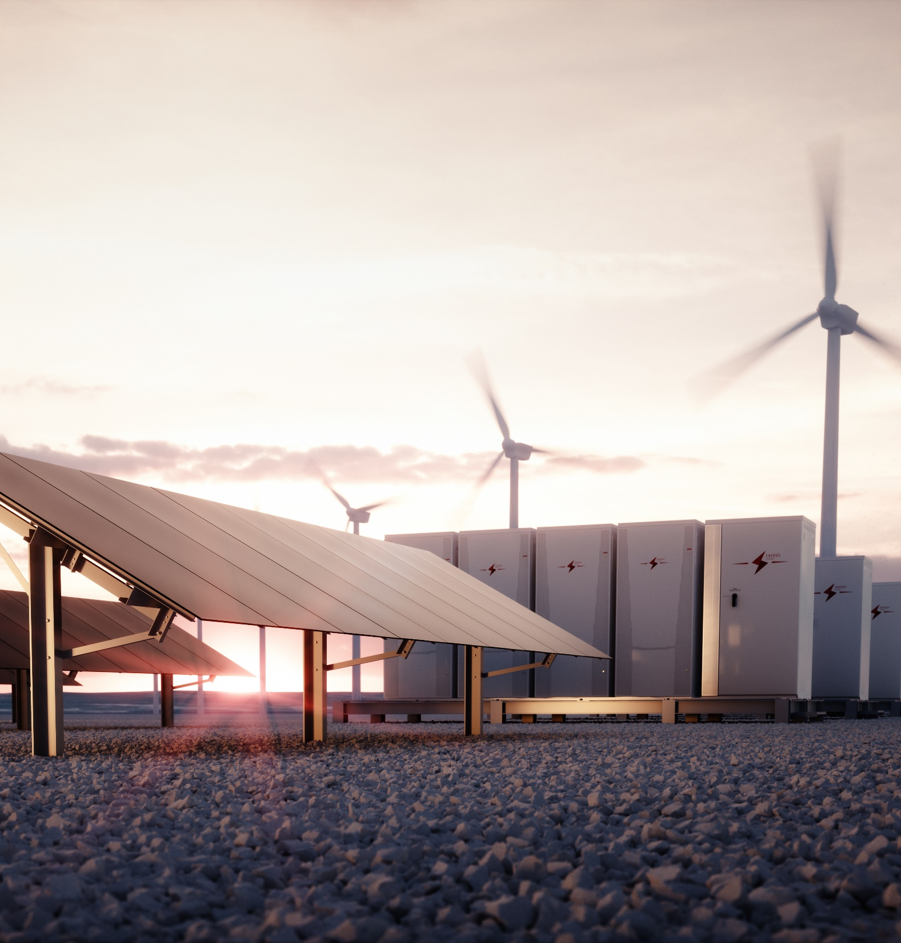
PPA Calculator - 2024 version 0.1
This calculator assists with providing an initial quote for a PPA price for a solar PV project.
Please note that the PPA price calculated is indicative, is pre design/survey and subject to change and negotiation with the customer - it does not constitute a final or binding offer.
PRIVATE & CONFIDENTIAL
Not to be shared outside of Saber.

Calculation Debt
ROI
 |  |  | Zero
0 | -149,831 | -149,831 | 0
1 | -158,232 | -158,232 | 0
2 | -165,390 | -165,390 | 0
3 | -171,297 | -171,297 | 0
4 | -175,624 | -175,624 | 0
5 | -178,679 | -178,679 | 0
6 | -180,457 | -180,457 | 0
7 | -180,949 | -180,949 | 0
8 | -180,149 | -180,149 | 0
9 | -178,050 | -178,050 | 0
10 | -174,643 | -174,643 | 0
11 | -167,353 | -167,353 | 0
12 | -158,740 | -158,740 | 0
13 | -147,985 | -147,985
14 | -135,892 | -135,892
15 | -122,454 | -122,454
16 | -97,672 | -97,672
17 | -72,428 | -72,428
18 | -47,960 | -46,712
19 | -26,814 | -20,516
20 | -5,302 | 6,170
21 | 16,584 | 33,353
22 | 38,850 | 61,044
23 | 61,504 | 89,251
24 | 84,552 | 117,984
25 | 108,002 | 147,252
 |  |  |  |  |  |  | PV
PPA Calculator |  | Sanders |  |  |  | Cost of Install | £141,350.00
 |  |  |  |  |  | Inverter Cost | £9,750.00
Assumptions |  |  |  |  |  | Total Cost | £151,100.00 |  | Project
Revenue |  |  | Initial Cost |  |  |  |  |  | Cash Investment Total |  |  | £149,831
Self consumption (%) | 100.00% | 0% | Year |  |  | 0 | 550.00 | EPC | Pre-tax, Project IRR |  |  | 3.3%
Project Size (kWp) | 257.00 |  | Commission Cost (£) @6% |  |  | £8,481 | 0.00 | EPC2 | Post-tax, Project IRR |  |  | 2.602%
Project size (kWp ) - PV only | 257 | 90.5% | EPC (£/kWp) |  |  | £550 |  |  | Year 1 EBITDA yield |  |  | -5.1%
Yield (kWh/kWp) | 218,450.0 | 0 |  |  |  |  |  |  | Year 1 gross yield |  |  | 15.2%
Output Degradation Year 2-25 | 0.50% | 0.04% | Maintenance Capex |  |  |  |  |  | Pay Back in years | pre fees, pre tax |  | 20
Tariff - generation subsidy (p/kWh) | 0.000 | 0.000 | Inverter Maintenance capex 1 (£) |  |  | £9,750 | Invertor Costs | Invertor size kWe |  | post tax |  | 21
Tariff - power exported (p/kWh) | 7.000 | 10.000 | Inverter Maintenance capex 1 (year) |  |  | 12 | 3250 | 100 |  |  | Target IRR | 11.00%
FMP | 0.000 | 15.500 | Battery Maintenance capex 2 (£) |  |  | £- | 2.57 | 9750 | PV1
discount on FMP | 0.00% | 0.00% | Battery Maintenance capex 2 (year) |  |  | 0 | 0 | 0 | PV1
Tariff - power used on site (p/kWh) | 10.392 |  | Annual Interter Maintenance Reserve account |  |  | £813
Inflation costs (RPI) | 2.50% | 2.50% | Annual Battery Maintenance Reserve account |  |  | £-
Inflation Export Tariff | 2.50% | 2.50% |  |  |  |  |  | £-
Inflation PPA | 2.50% | 2.50%
Project life (years) | 25 | 25 | Annual Costs |  |  | Years 1- 3 | Years 4 - onwards
Projects per SPV | 1 |  | Billing costs |  |  | £400.00 | £100
 |  |  | Asset management cost / kWp |  |  | £-
 |  |  | O&M (£/kWp) |  |  | £10.00
 |  |  | Insurance (£/kWp) |  |  | £3.75
 |  |  | Business Rates (£/kWp) |  |  | £1.22
 |  |  | Contingency 1 (£/kWh/yr) |  |  | £-
 |  |  | Contingency 2 (£/project/yr) |  |  | £-
 |  |  |  |  |  | P&L | Tax (ECA)
 |  |  | Initial Cost - Depreciation (yrs) |  |  | 25 | 12.5
 |  |  | Initial Cost - Depreciable Portion |  |  | 100.0% | 100.0%
 |  |  | Maintenance Capex - Depreciation (yrs) |  |  | 15 | 15
 |  |  | Maintenance Capex - Depreciable Portion |  |  | 100.0% | 100.0%
 |  |  | Tax Rate |  |  | 25.0%

 | Total Revenue
CHP |  | 0 | 0 | 0 | 0 | 0 | 0 | 0 | 0 | 0 | 0 | 0 | 0 | 0 | 0 | 0 | 0 | 0 | 0 | 0 | 0 | 0 | 0 | 0 | 0 | 0
Revenue | £- | £- | £- | £- | £- | £- | £- | £- | £- | £- | £- | £- | £- | £- | £- | £- | £- | £- | £- | £- | £- | £- | £- | £- | £- | £-
PV |  | 218,450 | 217,358 | 216,271 | 215,190 | 214,114 | 213,043 | 211,978 | 210,918 | 209,863 | 208,814 | 207,770 | 206,731 | 205,698 | 204,669 | 203,646 | 202,627 | 201,614 | 200,606 | 199,603 | 198,605 | 197,612 | 196,624 | 195,641 | 194,663 | 193,689
Revenue | £725,952 | £22,701 | £23,152 | £23,612 | £24,081 | £24,560 | £25,048 | £25,546 | £26,054 | £26,571 | £27,100 | £27,638 | £28,187 | £28,748 | £29,319 | £29,902 | £30,496 | £31,102 | £31,720 | £32,351 | £32,994 | £33,650 | £34,318 | £35,000 | £35,696 | £36,405
P&L (year) | 0 | 1 | 2 | 3 | 4 | 5 | 6 | 7 | 8 | 9 | 10 | 11 | 12 | 13 | 14 | 15 | 16 | 17 | 18 | 19 | 20 | 21 | 22 | 23 | 24 | 25

Generated kWh |  | 218,450 | 217,358 | 216,271 | 215,190 | 214,114 | 213,043 | 211,978 | 210,918 | 209,863 | 208,814 | 207,770 | 206,731 | 205,698 | 204,669 | 203,646 | 202,627 | 201,614 | 200,606 | 199,603 | 198,605 | 197,612 | 196,624 | 195,641 | 194,663 | 193,689
Self consumed kWh |  | 218,450 | 218,450 | 218,450 | 218,450 | 218,450 | 218,450 | 218,450 | 218,450 | 218,450 | 218,450 | 218,450 | 218,450 | 218,450 | 218,450 | 218,450 | 218,450 | 218,450 | 218,450 | 218,450 | 218,450 | 218,450 | 218,450 | 218,450 | 218,450 | 218,450
Self consumption % |  | 100.00% | 100.00% | 100.00% | 100.00% | 100.00% | 100.00% | 100.00% | 100.00% | 100.00% | 100.00% | 100.00% | 100.00% | 100.00% | 100.00% | 100.00% | 100.00% | 100.00% | 100.00% | 100.00% | 100.00% | 100.00% | 100.00% | 100.00% | 100.00% | 100.00%
Export Tariff |  | 7.00 | 7.17 | 7.35 | 7.54 | 7.73 | 7.92 | 8.12 | 8.32 | 8.53 | 8.74 | 8.96 | 9.18 | 9.41 | 9.65 | 9.89 | 10.14 | 10.39 | 10.65 | 10.92 | 11.19 | 11.47 | 11.76 | 12.05 | 12.35 | 12.66
Offtake Price |  | 10.39 | 10.65 | 10.92 | 11.19 | 11.47 | 11.76 | 12.05 | 12.35 | 12.66 | 12.98 | 13.30 | 13.63 | 13.98 | 14.33 | 14.68 | 15.05 | 15.43 | 15.81 | 16.21 | 16.61 | 17.03 | 17.45 | 17.89 | 18.34 | 18.80

Export income |  | - | - | - | - | - | - | - | - | - | - | - | - | - | - | - | - | - | - | - | - | - | - | - | - | -
PPA income |  | 22,701 | 23,152 | 23,612 | 24,081 | 24,560 | 25,048 | 25,546 | 26,054 | 26,571 | 27,100 | 27,638 | 28,187 | 28,748 | 29,319 | 29,902 | 30,496 | 31,102 | 31,720 | 32,351 | 32,994 | 33,650 | 34,318 | 35,000 | 35,696 | 36,405
Revenue |  | 22,701 | 23,152 | 23,612 | 24,081 | 24,560 | 25,048 | 25,546 | 26,054 | 26,571 | 27,100 | 27,638 | 28,187 | 28,748 | 29,319 | 29,902 | 30,496 | 31,102 | 31,720 | 32,351 | 32,994 | 33,650 | 34,318 | 35,000 | 35,696 | 36,405

Billing |  | 400 | 410 | 420 | 108 | 110 | 113 | 116 | 119 | 122 | 125 | 128 | 131 | 134 | 138 | 141 | 145 | 148 | 152 | 156 | 160 | 164 | 168 | 172 | 176 | 181
Asset mangement |  | - | - | - | - | - | - | - | - | - | - | - | - | - | - | - | - | - | - | - | - | - | - | - | - | -
CHP Service |  | - | - | - | - | - | - | - | - | - | - | - | - | - | - | - | - | - | - | - | -
O&M |  | 2,570 | 2,634 | 2,700 | 2,768 | 2,837 | 2,908 | 2,980 | 3,055 | 3,131 | 3,210 | 3,290 | 3,372 | 3,456 | 3,543 | 3,631 | 3,722 | 3,815 | 3,911 | 4,008 | 4,109 | 4,211 | 4,317 | 4,424 | 4,535 | 4,648
Business Rates (and contingencies) |  | 312 | 320 | 328 | 336 | 345 | 353 | 362 | 371 | 380 | 390 | 400 | 410 | 420 | 430 | 441 | 452 | 464 | 475 | 487 | 499 | 512 | 524 | 538 | 551 | 565
Other insurance |  | 2,570 | 2,570 | 2,570 | 2,570 | 2,570 | 2,570 | 2,570 | 2,570 | 2,570 | 2,570 | - | - | - | - | - | - | - | - | - | - | - | - | - | - | -
Insurance |  | 964 | 988 | 1,013 | 1,038 | 1,064 | 1,090 | 1,118 | 1,146 | 1,174 | 1,204 | 1,234 | 1,265 | 1,296 | 1,329 | 1,362 | 1,396 | 1,431 | 1,466 | 1,503 | 1,541 | 1,579 | 1,619 | 1,659 | 1,701 | 1,743
Additionals |  | - | - | - | - | - | - | - | - | - | - | - | - | - | - | - | - | - | - | - | - | - | - | - | - | -
Ground rent |  | - | - | - | - | - | - | - | - | - | - | - | - | - | - | - | - | - | - | - | - | - | - | - | - | -
Other additionals |  | - | - | - | - | - | - | - | - | - | - | - | - | - | - | - | - | - | - | - | - | - | - | - | - | -
Commission |  | - | - | - | - | - | - | - | - | - | - | - | - | - | - | - | - | - | - | - | - | - | - | - | - | -
Debt Funding |  | 23,474 | 22,575 | 21,676 | 20,777 | 19,878 | 18,979 | 18,080 | 17,181 | 16,282 | 15,383 | 14,484 | 13,585 | 12,686 | 11,787 | 10,888 | -0 | - | - | - | - | - | - | - | - | -
EBITDA |  | -7,589 | -6,345 | -5,094 | -3,515 | -2,243 | -965 | 320 | 1,612 | 2,912 | 4,219 | 8,103 | 9,425 | 10,755 | 12,093 | 13,438 | 24,781 | 25,244 | 25,716 | 26,196 | 26,685 | 27,184 | 27,691 | 28,207 | 28,733 | 29,268 | -
 |  | 0% | -27% | -22% | -15% | -9% | -4% | 1% | 6% | 11% | 16% | 29% | 33% | 37% | 41% | 45% | 81% | 81% | 81% | 81% | 81% | 81% | 81% | 81% | 80% | 80%

P&L Depreciation |  | 5,993 | 5,993 | 5,993 | 5,993 | 5,993 | 5,993 | 5,993 | 5,993 | 5,993 | 5,993 | 5,993 | 5,993 | 5,993 | 5,993 | 5,993 | 5,993 | 5,993 | 5,993 | 5,993 | 5,993 | 5,993 | 5,993 | 5,993 | 5,993 | 5,993
Installation P&L Dep'n |  | 5,993 | 5,993 | 5,993 | 5,993 | 5,993 | 5,993 | 5,993 | 5,993 | 5,993 | 5,993 | 5,993 | 5,993 | 5,993 | 5,993 | 5,993 | 5,993 | 5,993 | 5,993 | 5,993 | 5,993 | 5,993 | 5,993 | 5,993 | 5,993 | 5,993
Start |  | 149,831 | 143,838 | 137,845 | 131,851 | 125,858 | 119,865 | 113,872 | 107,878 | 101,885 | 95,892 | 89,899 | 83,905 | 77,912 | 71,919 | 65,926 | 59,932 | 53,939 | 47,946 | 41,953 | 35,959 | 29,966 | 23,973 | 17,980 | 11,986 | 5,993
End |  | 143,838 | 137,845 | 131,851 | 125,858 | 119,865 | 113,872 | 107,878 | 101,885 | 95,892 | 89,899 | 83,905 | 77,912 | 71,919 | 65,926 | 59,932 | 53,939 | 47,946 | 41,953 | 35,959 | 29,966 | 23,973 | 17,980 | 11,986 | 5,993 | -
Maintenance Capex 1 P&L Dep'n |  | - | - | - | - | - | - | - | - | - | - | - | - | - | - | - | - | - | - | - | - | - | - | - | - | -

Start |  | - | - | - | - | - | - | - | - | - | - | - | - | - | - | - | - | - | - | - | - | - | - | - | - | -
End |  | - | - | - | - | - | - | - | - | - | - | - | - | - | - | - | - | - | - | - | - | - | - | - | - | -
Maintenance Capex 2 P&L Dep'n |  | - | - | - | - | - | - | - | - | - | - | - | - | - | - | - | - | - | - | - | - | - | - | - | - | -
Original investment date |  | - | - | - | - | - | - | - | - | - | - | - | - | - | - | - | - | - | - | - | - | - | - | - | - | -
Start |  | - | - | - | - | - | - | - | - | - | - | - | - | - | - | - | - | - | - | - | - | - | - | - | - | -
End |  | - | - | - | - | - | - | - | - | - | - | - | - | - | - | - | - | - | - | - | - | - | - | - | - | -

Tax Depreciation |  | 11,986 | 11,986 | 11,986 | 11,986 | 11,986 | 11,986 | 11,986 | 11,986 | 11,986 | 11,986 | 11,986 | 11,986 | 5,993 | - | - | - | - | - | - | - | - | - | - | - | -
Installation Tax Depreciation |  | 11,986 | 11,986 | 11,986 | 11,986 | 11,986 | 11,986 | 11,986 | 11,986 | 11,986 | 11,986 | 11,986 | 11,986 | 5,993 | - | - | - | - | - | - | - | - | - | - | - | -
Start |  | 149,831 | 137,845 | 125,858 | 113,872 | 101,885 | 89,899 | 77,912 | 65,926 | 53,939 | 41,953 | 29,966 | 17,980 | 5,993 | - | - | - | - | - | - | - | - | - | - | - | -
End |  | 137,845 | 125,858 | 113,872 | 101,885 | 89,899 | 77,912 | 65,926 | 53,939 | 41,953 | 29,966 | 17,980 | 5,993 | - | - | - | - | - | - | - | - | - | - | - | - | -
Maintenance Capex 1 Tax Dep'n |  | - | - | - | - | - | - | - | - | - | - | - | - | - | - | - | - | - | - | - | - | - | - | - | - | -
Start |  | - | - | - | - | - | - | - | - | - | - | - | - | - | - | - | - | - | - | - | - | - | - | - | - | -
End |  | - | - | - | - | - | - | - | - | - | - | - | - | - | - | - | - | - | - | - | - | - | - | - | - | -
Maintenance Capex 2 Tax Dep'n |  | - | - | - | - | - | - | - | - | - | - | - | - | - | - | - | - | - | - | - | - | - | - | - | - | -
Original investment date |  | - | - | - | - | - | - | - | - | - | - | - | - | - | - | - | - | - | - | - | - | - | - | - | - | -
Start |  | - | - | - | - | - | - | - | - | - | - | - | - | - | - | - | - | - | - | - | - | - | - | - | - | -
End |  | - | - | - | - | - | - | - | - | - | - | - | - | - | - | - | - | - | - | - | - | - | - | - | - | -
EBIT |  | -13,582 | -12,338 | -11,088 | -9,508 | -8,237 | -6,958 | -5,673 | -4,381 | -3,081 | -1,774 | 2,110 | 3,432 | 4,762 | 6,100 | 7,445 | 18,788 | 19,251 | 19,723 | 20,203 | 20,692 | 21,190 | 21,697 | 22,214 | 22,740 | 23,275
Cumulative |  | -13,582 | -25,920 | -37,008 | -46,516 | -54,752 | -61,710 | -67,384 | -71,764 | -74,846 | -76,620 | -74,510 | -71,078 | -66,316 | -60,216 | -52,771 | -33,983 | -14,732 | 4,991 | 25,194 | 45,886 | 67,076 | 88,774 | 110,987 | 133,727 | 157,002
Tax without interest shield |  | - | - | - | - | - | - | - | - | - | - | - | - | - | - | - | - | - | 1,248 | 5,051 | 5,173 | 5,298 | 5,424 | 5,553 | 5,685 | 5,819
 |  | -60% | -53% | -47% | -39% | -34% | -28% | -22% | -17% | -12% | -7% | 8% | 12% | 17% | 21% | 25% | 62% | 62% | 62% | 62% | 63% | 63% | 63% | 63% | 64% | 64%

Interest paid
Interest received
...

Without Debt
...
ROI
 |  |  | Zero
0 | -149,831 | -149,831 | 0
1 | -137,232 | -134,759 | 0
2 | -124,374 | -119,342 | 0
3 | -111,252 | -103,573 | 0
4 | -97,620 | -87,123 | 0
5 | -83,708 | -70,302 | 0
6 | -69,512 | -53,101 | 0
7 | -55,026 | -35,513 | 0
8 | -40,246 | -17,533 | 0
9 | -25,165 | 848 | 0
10 | -9,778 | 19,637 | 0
11 | 7,848 | 41,412 | 0
12 | 25,791 | 63,609 | 0
13 | 44,870 | 87,050
14 | 64,278 | 110,930
15 | 84,021 | 135,256
16 | 104,105 | 160,037
17 | 124,537 | 185,281
18 | 145,322 | 210,997
19 | 166,468 | 237,194
20 | 187,980 | 263,879
21 | 209,866 | 291,063
22 | 232,132 | 318,753
23 | 254,786 | 346,960
24 | 277,834 | 375,693
25 | 301,283 | 404,961
 | Project
 | Cash Investment Total |  |  | £149,831
EPC | Pre-tax, Project IRR |  |  | 11.8%
EPC2 | Post-tax, Project IRR |  |  | 9.505%
 | Year 1 EBITDA yield |  |  | 10.6%
 | Year 1 gross yield |  |  | 15.2%
 | Pay Back in years | pre fees, pre tax |  | 9
Invertor size kWe |  | post tax |  | 11
100 |  |  | Target IRR | 11.00%
9750 | PV1
0 | PV1
...
£-
...

